Cover Page
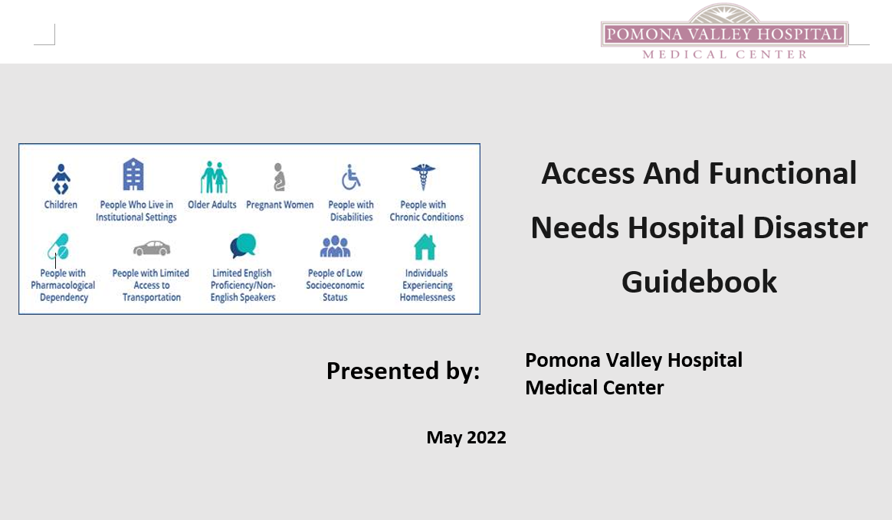

AFN DRA Instructions
Instructions for AFN Disaster Risk Assessment
Completing the Risk Assessment
Select the AFN subcommunities to whom your hospital provides service. Note: 154 are listed; you can use the full 154, you can use less, you can add more.
Regarding Cultural Minority Needs and Restrictions, 12 “blank” subcommunities are listed. In that there are some 4-5K+ distinct cultural subcommunities worldwide, (virtually all of which are present in the U.S.), you’ll need to identify how many are located within your hospital’s service area and list them/label them accordingly.
Regarding Religious Minority Needs and Restrictions, 4 religions with 1-3% of the U.S. population are listed. However, there are some 4K recognized branches, congregations, conventions, denominations, faith groups, etc., in the U.S., many with distinct needs and restrictions. Just as with the Cultural Minority Needs and Restrictions, you’ll need to identify how many are located within your hospital’s service area and list them/label them accordingly.
If any increase or decrease is made to the current total number of listed subcommunities, (154), then the formulae on the final row (listed as AVERAGES) must be revised accordingly. Formulae in the far right-hand column (listed as RELATIVE RISK SCORE) should never need revision.
Determine size of each subcommunity, (column B), expressed as a % of the area’s total population, using data from the most local source available, (city, county, state – in that order). Data currently listed is primarily from national resources, (e.g., U.S. Census Bureau, Pew Research, etc.).
Risk rate all other cells from 0-4.
Identifying Opportunities for Improvement (OFIs)
Once all subcommunities have been risk rated, arrange them in cascading order, highest risk to lowest risk.
Designate the 3 (at least) highest scoring subcommunities, and the 1 (at least) highest scoring Resource, as OFIs.
Developing Action Plans
The Emergency Management Program Committee should develop, and implement, action plans toward mitigating these identified high risks.
Effectiveness of the plans should be evaluated periodically, and the plans themselves revised, or new plans created, as deemed necessary.

